FILL THIS FORM
货运信息Shipping Info |  |  |  |  |  |  | 货品信息Shipment Info @ PrepInChina l shiptoAMZ
In House ID/ Carton Marks | Ship To Amazon FBA? | Amazon Shipment ID (optional) | Amazon Reference ID (optional) | Export Tax Rebate? | Destination Warehouse Address | Deliver By (optional) | Photo | Product Name |  | SKU# | PCS/CTN | KG/ CTN | L | W | H | USD/PC | Materials | USES | CTNS | Total KGS | Total CBM | Total PCS | Total Value
进仓编号 /唛头 | 是否运到亚马逊FBA？ | 亚马逊货运编号 (选填) | 亚马逊跟踪编号(选填) | 是否退税？ (选填) | 终端仓库地址 | 派送方式 (选填) | 图片 | 英文品名(In English) | 中文品名(In Chinese) | 货号 | 装箱数量 | 单箱 毛重 | 长 | 宽 | 高 | 美金 单价 | 材质 | 用途 | 箱数 | 总毛重 | 总 体积 | 总数量 | 总货值 （USD）
JK000000-000 | Yes/No |  |  | Y / N |  | C / T |  |  |  |  |  |  |  |  |  |  |  |  |  | 0 | 0.00 | 0 | $0
 |  | 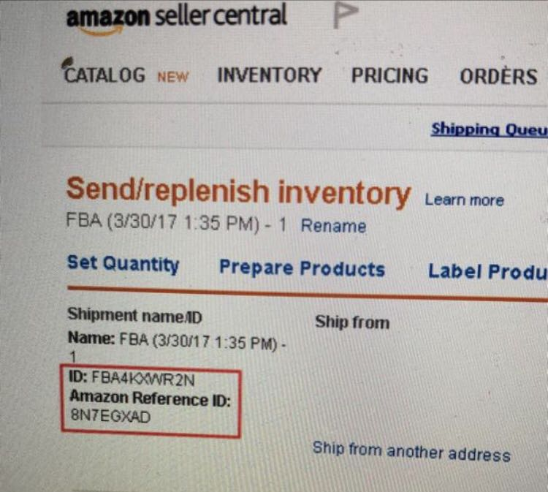 |  |  |  |  |  |  |  |  |  |  |  |  |  |  |  |  |  | 0 | 0.00 | 0 | $0
附上FBA标防止错误(选填) |  | Paste FBA label here for double check (optional) |  |  |  |  |  |  |  |  |  |  |  |  |  |  |  |  |  | 0 | 0.00 | 0 | $0
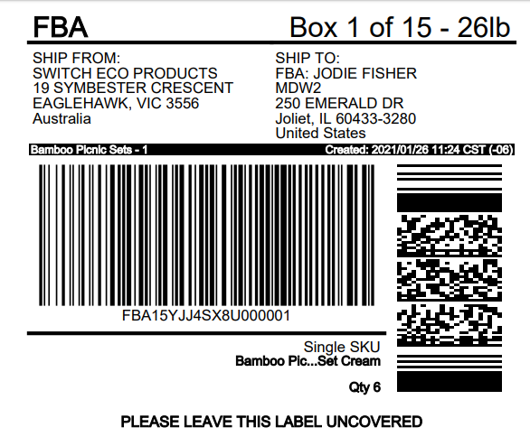
 |  |  |  |  |  |  | *如行数不够，请在上面4-6行之间插入空白行填写，以确保公式正确运算。 Insert new lines between 4-6 when needed， to keep formulars workable. |  |  |  |  |  |  |  |  | IN TOTAL/总计： |  |  | 0 | 0 | 0.00 | 0 | $0
 |  |  |  |  |  |  | 注意ATTENTION：
 |  |  |  |  |  |  | 1.不同SKU，不同装箱数，不同箱规请分行填写。Diffrerent SKU, different units/carton, different carton sizes should be put in separate lines.
 |  |  |  |  |  |  | 2. 填好后，请将此表发给我司仓库邮箱 PrepInChina@gmail.com 或者微信 159 2428 6660, 以获得进仓编号。Please send this form to our email or wechat after finish, to obtain In house number.
 |  |  |  |  |  |  | 3. 请用新的，结实的外贸纸箱，并符合以下标准。不符合可能会产生额外费用并耽误时间，后果由您/您的客户负担。Use new, strong export cartons and apply to below standurds, or it may cause extra delay and expense on you/your customers.
 |  |  |  |  |  |  | >> 12KG<单件毛重/体积重(单箱体积*167和实际毛重相比取大者)<22KG。Try keep gross KG /dim.KG(volume*167) under 22, but over 12. |  |  |  | >> 最长单边<120CM, 第二边<76CM; [2*（高+宽)+长]<260CM. 长最好不超过62CM。 L<120cm, W<76cm, [(W+H)*2+L]<260cm; Better keep each length within 62CM |  |  |  |  |  |  |  |  |  |  | >>装箱数不超过150。 Units/CTN less than 150.

